FV
Saving: | $100.00
Annual Rate: | 5%
Duration: | 10 | Years

 | Year | FV
 | 0 | $100.00
 | 1 | $105.00
 | 2 | $110.25
 | 3 | $115.76
 | 4 | $121.55
 | 5 | $127.63
 | 6 | $134.01
 | 7 | $140.71
 | 8 | $147.75
 | 9 | $155.13
 | 10 | $162.89

Bank
PurgeInactiveAccounts()
InterestRate: 5%

4 | Vs | 4,000,000 | Bytes
1 | Vs | 1,000,000 | Times
acc2

acc1

Balance:1890
Account()
Withdraw(amount)
Deposit(amount)
Update()
Account(initAmount)
Balance:105
Account
Withdraw(amount)
Deposit(amount)
Update()
Account(initAmount)

ShoppingCart
Cart
CartItem
*
Product

Quantity: int
Product: Product

Object Copy
Child
Parent
Child
Copy
Child
Parent
Child
Child
Copy
Child

Shallow Copy
Deep Copy

Prototype
Language
Country
Copy
Language
Country
Language
Copy

Shallow Copy
Deep Copy

Bridge
Abstraction
+Operation()
Implementor
+OperationImp()

Chain of Resposibilities
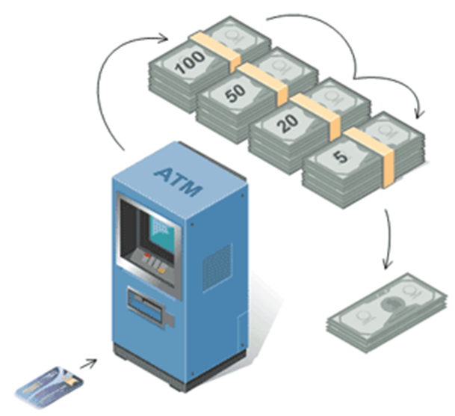

State
Overdraft
Limit
Overdrawn
Empty
Money
Present
Withdraw
Withdraw
Withdraw
Withdraw
Withdraw
Withdraw
Deposit
Deposit
Deposit
Deposit
Deposit
Deposit
Deposit
Withdraw
Deposit
Withdraw

Strategy
Transportation to Airport
Strategies (Options)

Train | Taxi | Walk | Bus

Double Dispatching Issue
SpaceShip
Asteroid

ApolloSpacecraft
ExplodingAsteroid

